(5a) REGRESSION Forecasting

Normal Probability Plot

FACTORS INFLUENCING CAR SALES & BUSINESS FORECASTING (AFFORDABILITY): |  |  |  | QUESTION - What would be the best forecasting number of units sold when |  |  |  |  |  |  |  |  | QUESTION - What would be the best forecasting number of units sold new BMW iX?
(Not Easily Quantifiable) (Multi-Variable Regression Method) |  |  |  | the Marlton BMW introduce its first new iX Model BMW electric car in 2022? |  |  |  |  |  |  |  |  | REGRESSION MODELING:
 |  |  |  | Target Selling Price = |  |  | $75,000 |  |  |  |  |  |  | CORRELATION = | -0.9162 | ** USE CORRELATION EQUATION
(1) | *** Prices & Affordability |  |  |  |  |  |  |  |  |  |  |  |  | CORRELATION = | -0.9162 | *** USE REGRESSION ANALYSIS
(2) | Maintenance Cost |  |  | Please build the Model for analysis. |  |  |  |  |  |  |  |  |  | SLOPE = | -12.6707
(3) | Insurance Coverage Cost |  |  | SUMMARY OUTPUT |  |  |  |  |  |  |  |  |  | INTERCEPT = | 1057732.97
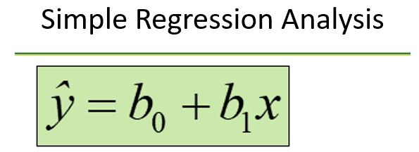
(4) | State of U.S. Economy |  |  | SUMMARY OUTPUT
(5) | State of Local Economy |  |  |  |  |  |  |  |  |  |  |  | PROJECTED ASKING PRICES FOR THE HOME SIZES BELOW:
(6) | Preferences |  |  | Regression Statistics |  |  |  |  |  |  |  |  |  | UNIT PRICE (X) = | $75,000
(7) | Dealership Locations |  |  | Multiple R | 0.91615683417 |  |  |  |  |  |  |  |  | FORECAST UNITS SOLD (Y) = | 107,429
CAR PRICES ($); X Line Fit Plot
 |  |  |  | R Square | 0.8393433448
 |  |  |  | Adjusted R Square | 0.80721201377
 |  |  |  | Standard Error | 78037.9008 |  |  |  |  |  |  |  |  | X | Calculated Y | Y | Difference | % Difference
 |  | SIMILAR CARS FOR SALE: |  | Observations | 7 |  |  |  |  |  |  |  |  | 46,000 | 474,880 | 586,000 | -111,120 | -19.0%
 |  | CAR PRICES ($); X | UNITS SOLD; Y |  |  |  |  |  |  |  |  |  |  | 49,600 | 429,265 | 458,400 | -29,135 | -6.4%
 |  | 46,000 | 586,000 | ANOVA |  |  |  |  |  |  |  |  |  | 52,000 | 398,856 | 320,000 | 78,856 | 24.6%
 |  | 49,600 | 458,400 |  | df | SS | MS | F | Significance F |  |  |  |  | 56,800 | 338,036 | 258,000 | 80,036 | 31.0%
 |  | 52,000 | 320,000 | Regression | 1 | 1.5908238435E+11 | 1.5908238435E+11 | 26.122271243 | 0.0037353560716 |  |  |  |  | 62,500 | 265,813 | 248,000 | 17,813 | 7.2%
 |  | 56,800 | 258,000 | Residual | 5 | 30449569807 | 6089913961.3 |  |  |  |  |  |  | 72,000 | 145,441 | 120,962 | 24,479 | 20.2%
 |  | 62,500 | 248,000 | Total | 6 | 189531954152 |  |  |  |  |  |  |  | 81,500 | 25,070 | 86,000 | -60,930 | -70.8%
 |  | 72,000 | 120,962 |  |  |  |  |  |  |  |  |  | Average | 60,057 | 296,766 | 296,766 | 0 | 0.0%
 |  | 81,500 | 86,000 |  | Coefficients | Standard Error | t Stat | P-value | Lower 95% | Upper 95% | Lower 95.0% | Upper 95.0%
 |  |  |  | Intercept | 1057732.9725 | 151781.71842 | 6.9687771594 | 0.00093579577852 | 667565.64419 | 1447900.3009 | 667565.64419 | 1447900.3009
 |  |  |  | CAR PRICES ($); X | -12.670715528 | 2.4791092927 | -5.1109951324 | 0.0037353560716 | -19.043468844 | -6.2979622113 | -19.043468844 | -6.2979622113

 |  |  |  | RESIDUAL OUTPUT |  |  |  | PROBABILITY OUTPUT

 |  |  |  | Observation | Predicted UNITS SOLD; Y | Residuals |  | Percentile | UNITS SOLD; Y
 |  |  |  | 1 | 474880.05827 | 111119.94173 |  | 7.1428571429 | 86000
 |  |  |  | 2 | 429265.48237 | 29134.517625 |  | 21.428571429 | 120962
 |  |  |  | 3 | 398855.76511 | -78855.765109 |  | 35.714285714 | 248000
 |  |  |  | 4 | 338036.33058 | -80036.330576 |  | 50 | 258000
 |  |  |  | 5 | 265813.25207 | -17813.252068 |  | 64.285714286 | 320000
 |  |  |  | 6 | 145441.45456 | -24479.454555 |  | 78.571428571 | 458400
 |  |  |  | 7 | 25069.657043 | 60930.342957 |  | 92.857142857 | 586000

(9) CORREL. COEFFICIENT CALC.
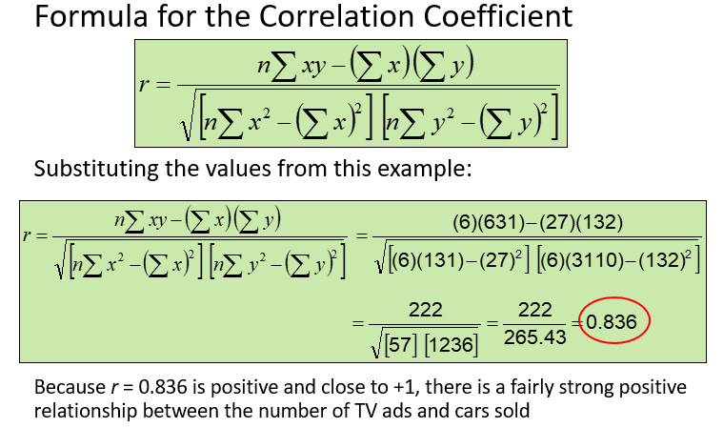
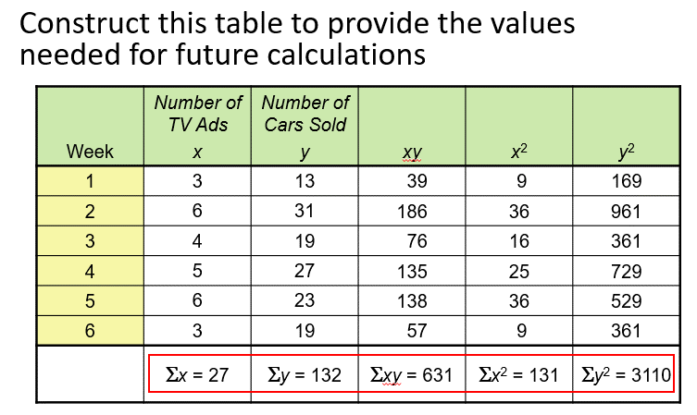
No. of Cars Sold Per Week (Y) | No. of TV Ads Per Week (X) | Correlation Coefficient
3 | 13 | 0.836 | Excel Calculated Value
6 | 31
4 | 19
5 | 27
6 | 23
3 | 19

(10) CALC. REGRES. ANALYSIS
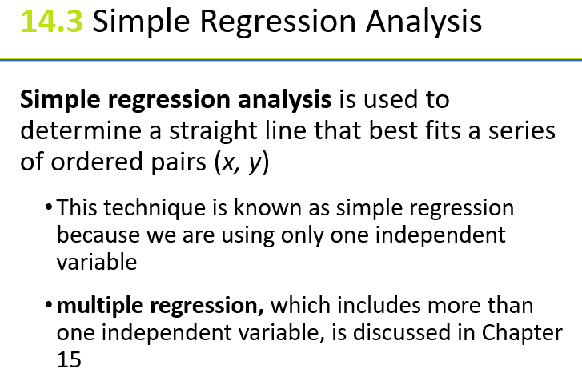
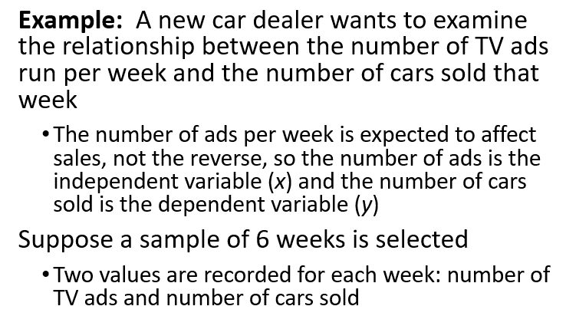
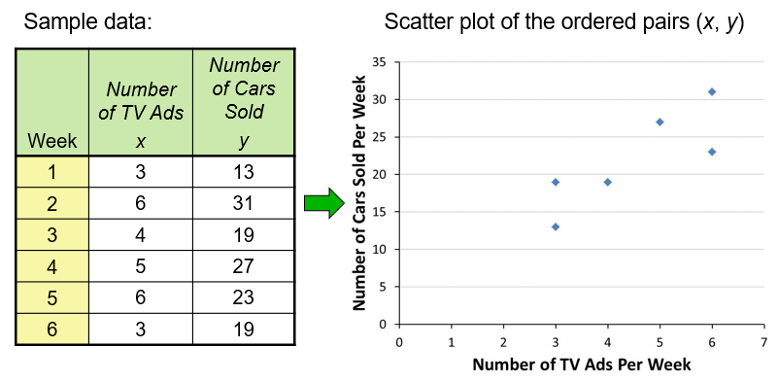
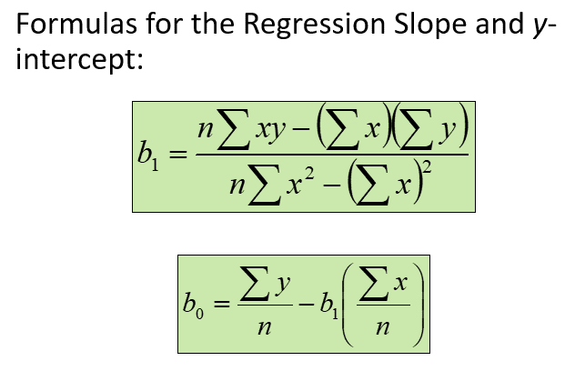
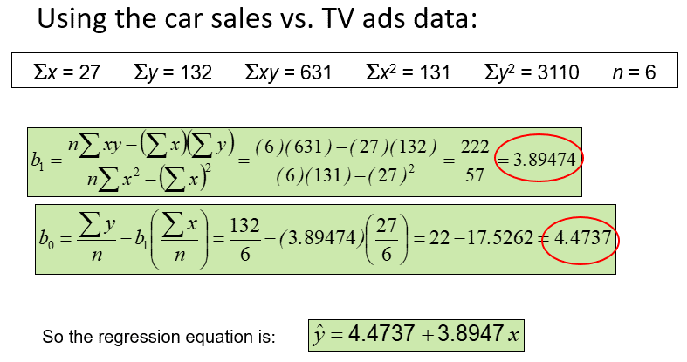
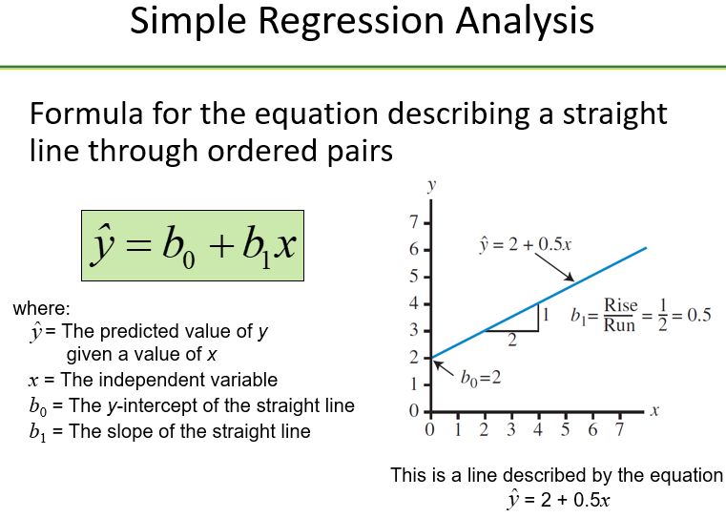
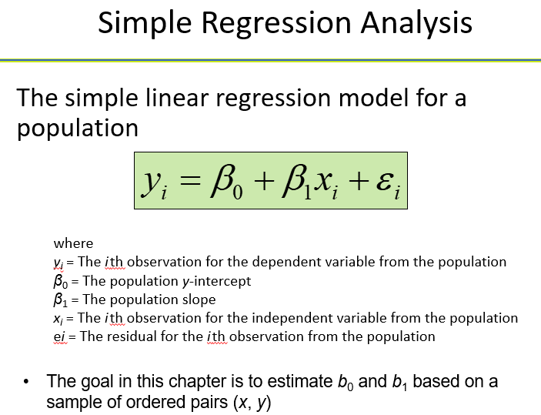
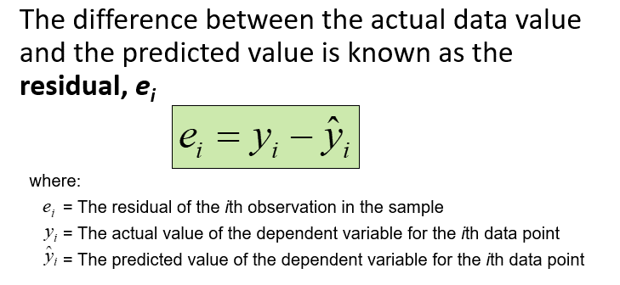
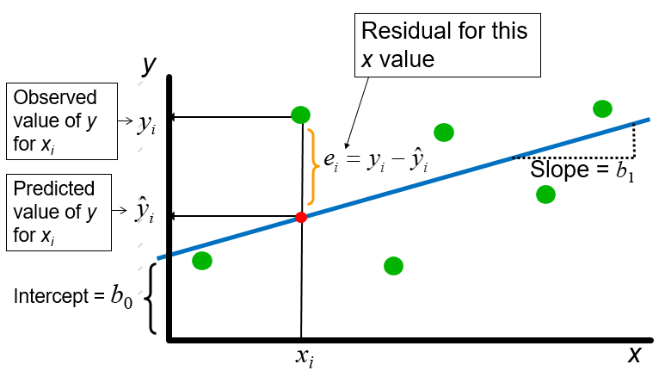
Simple Regression Equation: | EXPLAIN Regression Equation: | SUMMARY: | Line of Best Fit; Linear Regression Equation:
 |  | Good Old Way to Calculate "Slope" and "Intercept" | Usefulness of Regression Equation:
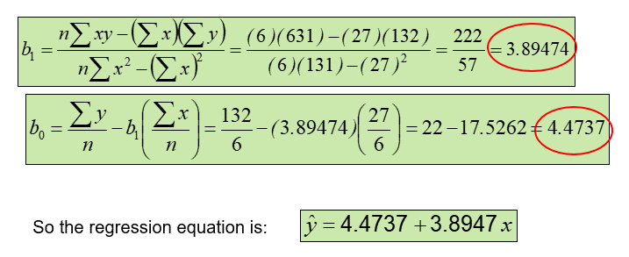
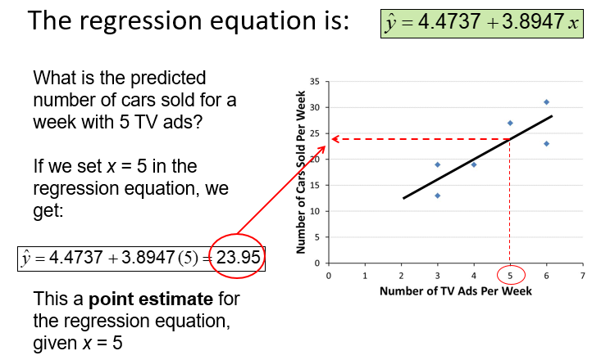

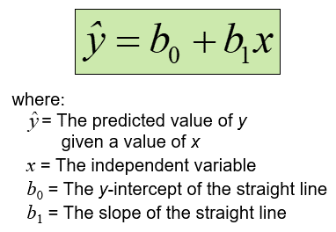

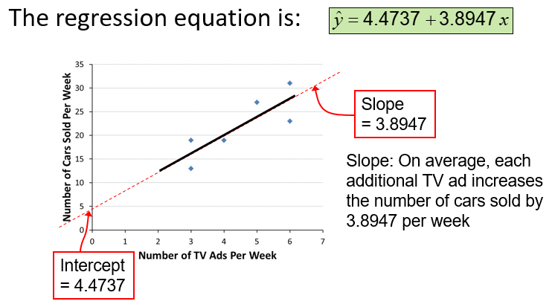

 |  |  | Using Regression Equation: if the Dealership advertise 5 times per week
 |  |  |  | >>> the Dealership can expect to sell 24 cars per week!

